Reports
Bug Reports
Problems | Screenshots | Problem | Fixed? | Fix method | Fix version | Additional notes
Volume goes over 100% | 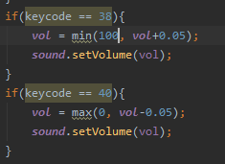  | The vol variable increases by 0.05 each time the up arrow is pressed, I set it using the min method but the min should have been set as 1 not 100. | Yes | Changed the min(100, vol+0.05) to min(1, vol+0.05)
Volume goes us and over 100% when press minus |  | when the volume is put to 100% and then the volume minus button is pressed it goes up and then over 100%.this was caused because of ta copy and past error that increased in a min method | Yes | plus changed to minus

